20pin
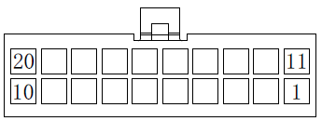

name | type | wire gauge | pin
YR1 | SCREW TERMINAL | 22 | 1 | + | PB0
 |  |  | 2 | -
YTH1 | XHP2 | 26 | 3 |  | PC2
 |  |  | 4
ZM0 | XHP4 | 26 | 15 |  | motor slot 6
 |  |  | 16
 |  |  | 6
 |  |  | 5
YM | SCREW TERMINAL | 22 | 7 | A+ | TMC5160Y | cooling fan: PA0
 |  |  | 8 | A-
 |  |  | 9 | B+
 |  |  | 10 | B-
ZEND0 | XHP3 | / | / |  | PD8
 |  | / | /
 |  | 26 | 11
ZEND1 | XHP3 | / | / |  | PD9
 |  | / | /
 |  | 26 | 12
YEND1 | XHP3 | / | / |  | PD11
 |  | 26 | 14
 |  | 26 | 13
ZM1 | XHP4 | 26 | 20 |  | motor slot 7
 |  |  | 19
 |  |  | 18
 |  |  | 17

